Hiearchy View
Class: PRECONDITIONED AIR UNIT
giant air conditioners that provide comfortable environment inside an aircraft when the aircraft’s own air conditioning system is not switched on. | 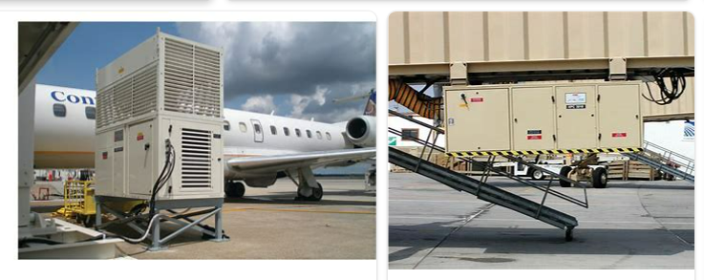
REMOVE | N

PROBLEM_DESC | CAUSE_DESC | REMEDY_DESC
ALARM/SENSOR
BROKEN/DAMAGED
LEAKING
LIGHTING
NOISE
OTHER PROBLEM
OVERHEATING
PESTS
POWER-ELEC
PRESSURE
SMELL
STOPPED/SLOWED/POOR OPS
TEMP-CTRL
VIBRATION
Grand Total

